Sheet1
k value | Number of positive eigenvalues | Max Real eigenvalue | Image

15 | 16 | 4.67 | 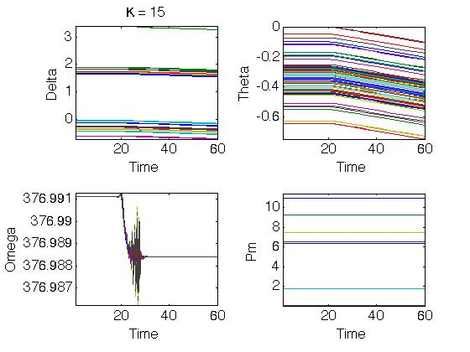
1.5 | 18 | 1.5 | 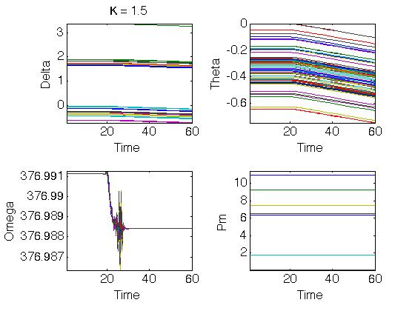
0.15 | 14 | 8.00E-16 | 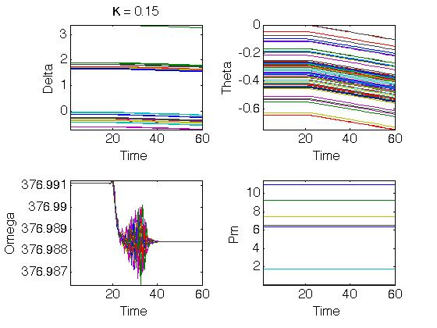
0.015 | 13 | 2.00E-16 | 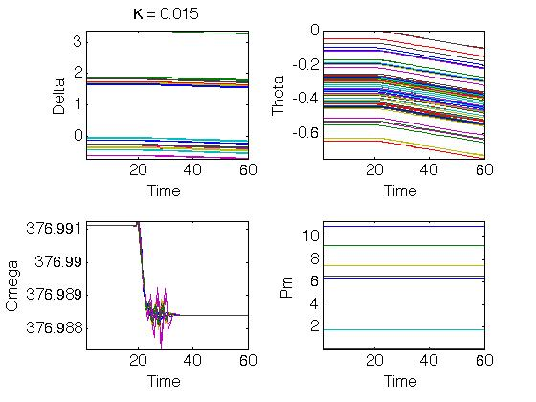
0.0015 | 8 | 2.34E-16 | 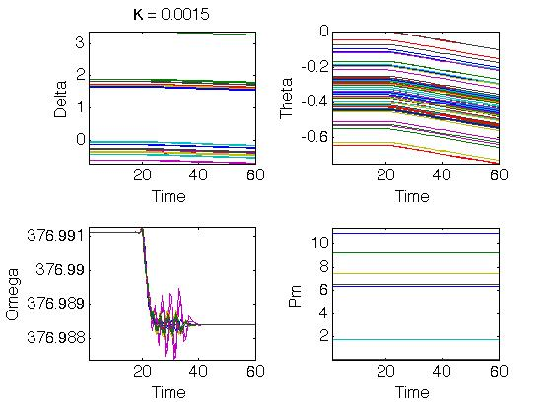
0.00015 | 13 | 2.00E-17 | 